Clothing
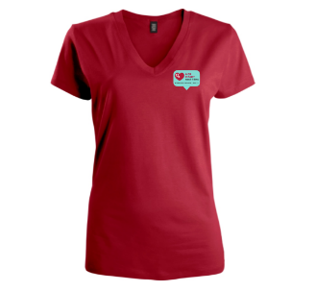
Clothing
 | Language | Size | Quantity
Womens V-neck t-shirt | English | XS
minimum 10 order |  | S
 |  | M
 |  | L
 |  | XL
 | TOTAL |  | 0

 | Language | Size | Quantity
Womens V-neck t-shirt | French | XS
 |  | S
 |  | M
 |  | L
 |  | XL
 | TOTAL |  | 0

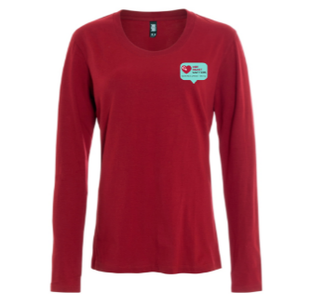
 | Language | Size | Quantity
Womens long-sleeve | English | XS
minimum 10 order |  | S
 |  | M
 |  | L
 |  | XL
 | TOTAL |  | 0


 | Language | Size | Quantity
Womens long-sleeve | French | XS
 |  | S
 |  | M
 |  | L
 |  | XL
 | TOTAL |  | 0

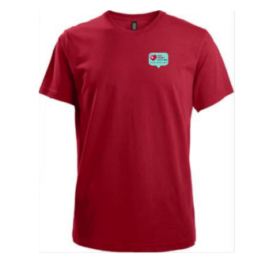
 | Language | Size | Quantity
Mens t-shirt | English | XS
minimum 10 order |  | S
 |  | M
 |  | L
 |  | XL
 | TOTAL |  | 0

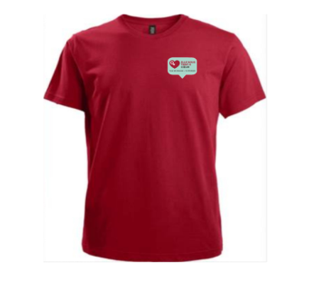
 | Language | Size | Quantity
Mens t-shirt | French | XS
 |  | S
 |  | M
 |  | L
 |  | XL
 | TOTAL |  | 0

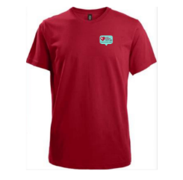
Youth t-shirt | Language | Size | Quantity
minimum 10 order | French | XS
 |  | S
 |  | M
 |  | L
 |  | XL
 | TOTAL |  | 0


Youth t-shirt | Language | Size | Quantity
 | French | XS
 |  | S
 |  | M
 |  | L
 |  | XL
 | TOTAL |  | 0

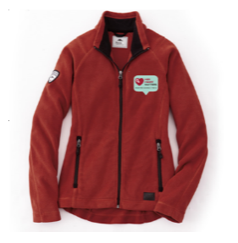
Womens Fleece (Roots) | Language | Size | Quantity
minimum 10 order | English | XS
 |  | S
 |  | M
 |  | L
 |  | XL
 | TOTAL |  | 0

Socks | Language | Size | Quantity
minimum 10 order | English | universal
 | TOTAL |  | 0

